KKO
KAJIAN KELAYAKAN OPERASI

DAYA LAMA |  |  |  | DAYA BARU
Nama Pelanggan | : | AMERTA TANI |  | Nama Pelanggan | : | AMERTA TANI
Daya Lama (VA) | : | 0 |  | Daya Baru (VA) | : | 7700
Jumlah Fasa | : | 1 | * | Jumlah Fasa | : | 1
Tegangan Sekunder Pengukuran rata-rata (Fasa-Netral) (V) | : | 220 | * | Tegangan Sekunder Pengukuran rata-rata (Fasa-Netral) (V) | : | 220
Beban Pelanggan (A) | : | 0.00 |  | Beban Pelanggan (A) | : | 35.10

SUPLAI TRAFO EKSISTING |  |  |  | SUPLAI TRAFO RENCANA
Nomor Tiang | : | PWI05-50/F |  | Nomor Tiang | :
Penyulang | : | PWI05 |  | Penyulang | :
Daya | : | 160 | * | Daya | :
Jumlah Fasa | : | 3 | * | Jumlah Fasa | :
Beban TRAFO (Pengukuran Lapangan) |  | 181 |  | Beban TRAFO | : | 35.10
Beban Primer | : | 4.62 | * | Beban Primer | : | 0.00
Beban Sekunder | : | 243.09 | * | Beban Sekunder | : | 0.00
Beban (A) | : | 0.24 |  | Beban (A) | : | 0.00
Prosentase Pembebanan | : | 74% |  | Beban (A) | : | #DIV/0!
 | 0% | 100%
Prosentase Pembebanan | : | 100% |  | Beban (A) | : | 100%

DATA





DATA
Tahun | : | 2023
Discount Rate | : | 12%
Transfer price TM | : | 1,084 |  | Marginal COST maret 2022
Umur ekonomis (tahun) | : | 25.00
Selisih Susut Teknis | : | 2.25%
∑ Daya | : | 8
BP (Rp) | : | 7,461,300
RAB (Rp) | : | 11,193,745
Biaya O&M (2% invest) | : | 223,874.91

Nama Pelanggan | : | AMERTA TANI | *
Golongan Pelanggan | : | R3 | *
Jenis Layanan | : | REGULER | *
Daya Lama (kVA) | : | - | *
Daya Baru (kVA) | : | 7.70 | *
Tarif WBP (Rp/kWh) | : | 1,444.70 | *
Tarif LWBP (Rp/kWh) | : | 1,444.70 | *
BP (Rp/VA) TR | : | 969 | *
Jam Nyala | : | 40 | *

RAB
 | PT. PLN ( PERSERO )
 | UNIT INDUK DISTRIBUSI JAWA TENGAH & DI YOGYAKARTA |  |  |  |  |  |  |  |  |  |  | RAB TOTAL
 | UP3 DEMAK |  |  |  |  |  |  |  |  |  | RAB TOTAL | RAB NON MDU
RENCANA ANGGARAN BIAYA (RAB)

 |  |  | Pekerjaan | : | AMERTA TANI
 |  |  | Lokasi | : | DSN BRANGKAL 03/07, KARANGANYAR, PURWODADI
 |  |  | Pelaksana | : | PT. PLN (PERSERO) UP3 DEMAK
 |  |  | Anggaran | : | SAR 2023

Note !! 1. Saat Pengisian Uraian di mohon memasukan nama material sesuai dengan nama material di harga satuan
2. Mohon di cek kembali saat pengisian volume material
3. Untuk program Sarana Penunjang Fungsi tidak perlu SLO.
NO | URAIAN | GOL | SAT | VOL | HARGA SATUAN | BIAYA YANG DIPERLUKAN ( Rp )
 |  |  |  |  |  | MDU | HARDWARE | JASA | JUMLAH

 |  |  |  |  | 0 | 0 | 0 | 0 | 0
 |  |  |  |  | 0 | 0 | 0 | 0 | 0
II | PEMASANGAN KONSTRUKSI |  |  |  | 0 | 0 | 0 | 0 | 0
+ | CM2-12 |  | Unit | 3 | 0 | 0 | 0 | 0 | 0
1 | Bimetalic Connector 35 - 240 mm² | HDW | Bh | 3 | 47,459 | 0 | 142,377 | 0 | 142,377
2 | Ground wire Cu 16 mm² | HDW | Mtr | 2.4 | 30,000 | 0 | 72,000 | 0 | 72,000
3 | Ground rod & Washer | HDW | Bh | 3 | 9,500 | 0 | 28,500 | 0 | 28,500
4 | Upah Pasang Acc.Jar M2-12 | JASA | Unit | 3 | 16,200 | 0 | 0 | 48,600 | 48,600
 |  |  |  |  | 0 | 0 | 0 | 0 | 0
+ | CJ6-T |  | Unit | 2 | 0 | 0 | 0 | 0 | 0 | #REF!
1 | Dead End Assembly | HDW | Bh | 2 | 78,500 | 0 | 157,000 | 0 | 157,000
2 | Plastic Strap for Clamping | HDW | Bh | 2 | 4,212 | 0 | 8,424 | 0 | 8,424
3 | Stainless Steel Strap 20 x 0.7 mm | HDW | Mtr | 2 | 23,310 | 0 | 46,620 | 0 | 46,620
4 | Stopping Buckle / Yokes | HDW | Bh | 2 | 2,300 | 0 | 4,600 | 0 | 4,600
5 | Upah Pasang Konst. JTR J6-T | JASA | Unit | 2 | 35,700 | 0 | 0 | 71,400 | 71,400
 |  |  |  |  | 0 | 0 | 0 | 0 | 0
+ | CJ5-T |  | Unit | 1 | 0 | 0 | 0 | 0 | 0
1 | Plastic Strap for Clamping | HDW | Bh | 1 | 4,212 | 0 | 4,212 | 0 | 4,212
2 | Stainless Steel Strap 20 x 0.7 mm | HDW | Mtr | 1 | 23,310 | 0 | 23,310 | 0 | 23,310
3 | Stopping Buckle / Yokes | HDW | Bh | 1 | 2,300 | 0 | 2,300 | 0 | 2,300
4 | Suspension / Small Angle Assembly | HDW | Bh | 1 | 71,000 | 0 | 71,000 | 0 | 71,000
5 | Upah Pasang Konst. JTR J5-T | JASA | Unit | 1 | 29,400 | 0 | 0 | 29,400 | 29,400
 |  |  |  |  | 0 | 0 | 0 | 0 | 0
+ | F1-2 |  | Unit | 1 | 0 | 0 | 0 | 0 | 0
1 | Rod Anchor ⅝" x 7' | HDW | Bh | 1 | 104,200 | 0 | 104,200 | 0 | 104,200
2 | Expanding Anchor 8.000 lbs | HDW | Bh | 1 | 120,000 | 0 | 120,000 | 0 | 120,000
4 | Kousen | HDW | Bh | 1 | 4,500 | 0 | 4,500 | 0 | 4,500
3 | Upah Pasang Acc.Jar F1-2 | JASA | Unit | 1 | 55,500 | 0 | 0 | 55,500 | 55,500
 |  |  |  |  | 0 | 0 | 0 | 0 | 0
+ | CE1-2 |  | Unit | 1 | 0 | 0 | 0 | 0 | 0
1 | Bolt Machine ⅝" x 10" | HDW | Bh | 1 | 26,500 | 0 | 26,500 | 0 | 26,500
2 | Guy Attachment / Guy hok | HDW | Bh | 1 | 12,500 | 0 | 12,500 | 0 | 12,500
3 | Guy Wire 35 mm² | HDW | Mtr | 12 | 24,300 | 0 | 291,600 | 0 | 291,600
4 | Three Bolt Clamp | HDW | Bh | 2 | 40,000 | 0 | 80,000 | 0 | 80,000
5 | Washer Square 2 ¼" | HDW | Bh | 1 | 2,500 | 0 | 2,500 | 0 | 2,500
6 | Upah Pasang Acc.Jar E1-2 | JASA | Unit | 1 | 43,500 | 0 | 0 | 43,500 | 43,500
 |  |  |  |  | 0 | 0 | 0 | 0 | 0
III | PEKERJAAN PEMASANGAN KONDUKTOR |  |  |  | 0 | 0 | 0 | 0 | 0
1 | NFA2X-T 2 x 70 + N 50 mm² | MDU-KD | Mtr | 110 | 53,300 | 5,863,000 | 0 | 0 | 5,863,000
2 | Upah Pasang Penghantar TR LVTC 2x70 + 1x50mm² | JASA | Per 50 m | 2.20 | 179,000 | 0 | 0 | 393,800 | 393,800
 |  |  |  |  | 0 | 0 | 0 | 0 | 0 | #REF!
IV | PEMASANGAN APP |  |  |  | 0 | 0 | 0 | 0 | 0
+ | Daya 7.700 VA |  | Unit | 1 | 0 | 0 | 0 | 0 | 0
1 | KWH Elektronik; 1P; 2W; 230 V; 5(100) A; kls 1 termasuk modem 3G/4G | MDU-KD | Bh | 1 | 1,740,750 | 1,740,750 | 0 | 0 | 1,740,750
2 | MCB 1 Fasa 50 A | MDU-KD | Bh | 1 | 39,000 | 39,000 | 0 | 0 | 39,000
3 | NFA2X 2 x 16 mm² | MDU-KD | Mtr | 45 | 6,600 | 297,000 | 0 | 0 | 297,000
4 | Upah Pasang SR + APP 1 Fasa | JASA | Unit | 1 | 54,400 | 0 | 0 | 54,400 | 54,400
 |  |  |  |  | 0 | 0 | 0 | 0 | 0
 | SLO |  |  |  | 0 | 0 | 0 | 0 | 0 | #REF!
1 | Sertifikasi Laik Operasi | JASA | Lot | 1 | 2.5% | 198,494 | 30,054 | 17,415 | 245,962
 |  |  |  |  |  | 0 | 0 | 0 | 0

 | Jumlah MDU - Hardware - Jasa |  |  |  | : | 8,138,244 | 1,232,197 | 714,015 | 10,084,455
 | PPN 11% |  |  |  | : | 895,207 | 135,542 | 78,542 | 1,109,290
 | Jumlah Total |  |  |  | : | 9,033,451 | 1,367,738 | 792,557 | 11,193,745 | 201,265,205
Terbilang : Sebelas Juta Seratus Sembilan Puluh Tiga Ribu Tujuh Ratus Empat Puluh Lima Rupiah

Harga yang dipakai adalah RAB HSS 2023

 |  |  |  |  |  |  | Demak, 30Agustus 2023
 |  |  |  |  |  |  | ASMAN PERENCANAAN

 |  |  |  |  |  |  | VALENTHINA EKA SABTI WONOHUSODO

GAMBAR
-7.080391,110.930926 | PT. PLN (PERSERO) UP3 DEMAK

 | Keterangan Gambar :
 | No | Nama Material |  |  | Baru |  | Eksisting
 | 1 | Tiang Beton
 | 2 | Tiang Besi
 | 3 | JTM 3 Fasa
 | 4 | JTM 1 Fasa
 | 5 | JTR 1 Fasa Only / UB
 | 6 | JTR 3 Fasa Only / UB
 | 7 | Trafo 1 Fasa
 | 8 | Trafo 3 Fasa
s
s
 | 9 | Fuse Cut Out
 | 10 | ABSW
 | 11 | Vang Net
 | 12 | Schoor
 | 13

K2-639A/27/36/5
1 C9-200 E
3 CJ6
1 CJ6-T
1 CM2-12
 | Bongkar Pasang Konstruksi :
 | Pasang |  |  |  | Bongkar
 | CJ5-T |  | UNIT | 1
 | CJ6-T |  | UNIT | 2
 | APP 7,7 KVA PRABAYAR |  | UNIT | 1
 | SR 2X16 |  | M | 45
 | CM2-12 |  | UNIT | 3
 | NFA 2X, 2X70N70 |  | M | 110

50 Mtr

K2-639A/27/36/6
1 C9-200 E
1 CJ5-T
1 CM2-12

50 Mtr

 | Keterangan Tambahan :

K2-639A/27/36/7
1 C9-200 E
1 CJ6-T
1 CM2-12
1 F1-2
1 CE1-2
1 CM2-12A
 | Golongan
 | No. Gambar |  | 1 |  |  | Lembar |  | dr
 | Gambar dari |  |  |  |  | Skala
 | Perihal:
 | AMERTA TANI DSN BRANGKAL 03/07, KARANGANYAR, PURWODADI

APP 7,7 KVA PRAABAYAR
SR 2X16 = 45 m

 | Digambar |  | Staff
 | Diperiksa |  | TL Rensis
 | Diketahui |  | TL Rensis
 | Disetujui |  | Asman Perencanaan

40 Mtr
40 Mtr
40 Mtr

PETA
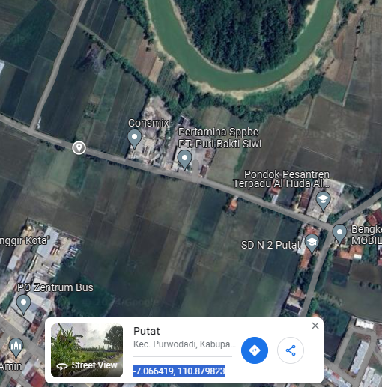
PETA LOKASI AMERTA TANI

SLD
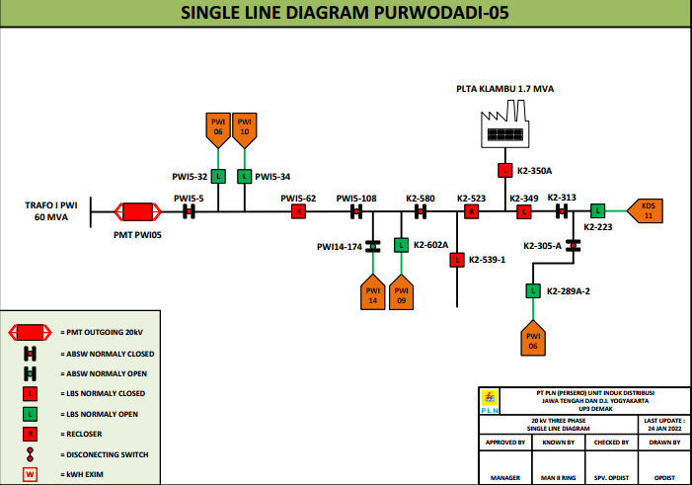
SINGLE LINE DIAGRAM LOKASI

